Task2 and Task4
Q2.Calculate the total expenses against each distinct item. |  | Q.4)Present the item-wise total expense through a chart that shows the expense of each item as a percentage of the total expense. Don’t take trip expenses into consideration.
Ans=>
 | Total expenses
Medicine | 7775
Online shopping | 7464
Other essential items | 10194.1
Vegetables & Fruit | 3217
Fish & Chicken | 3342
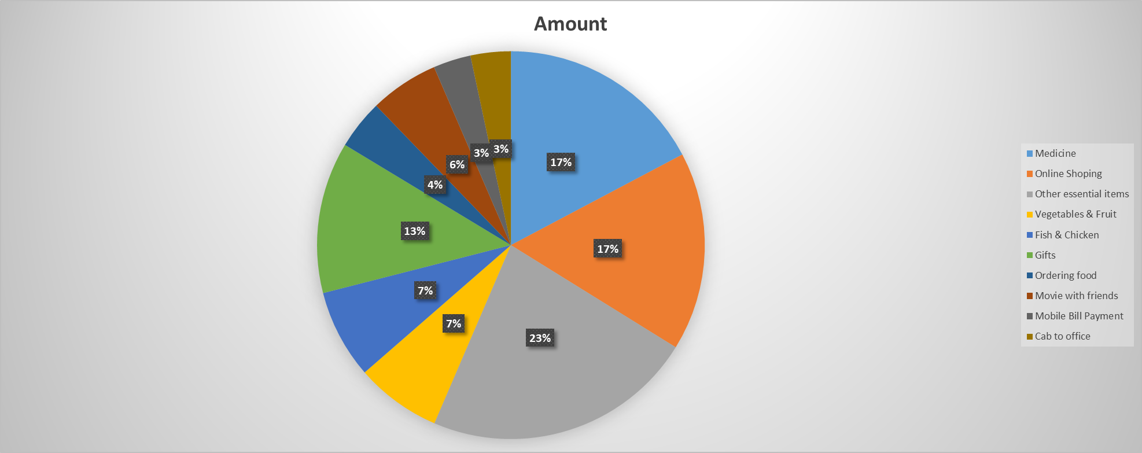
Gifts | 5688
Ordering food | 1857
Movie with friends | 2586
Mobile Bill Payment | 1411.26
Cab to office | 1510.91
Trip | 12000

Task5
Q.5)Present the expense pattern visually over 3 months.

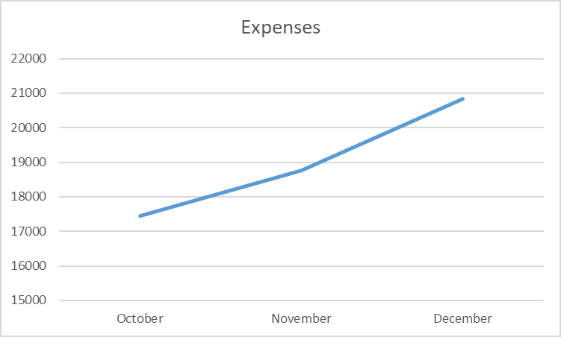
Month | Expenses
October | 17443.37
November | 18,764.27
December | 20,837.63

